Daily Report
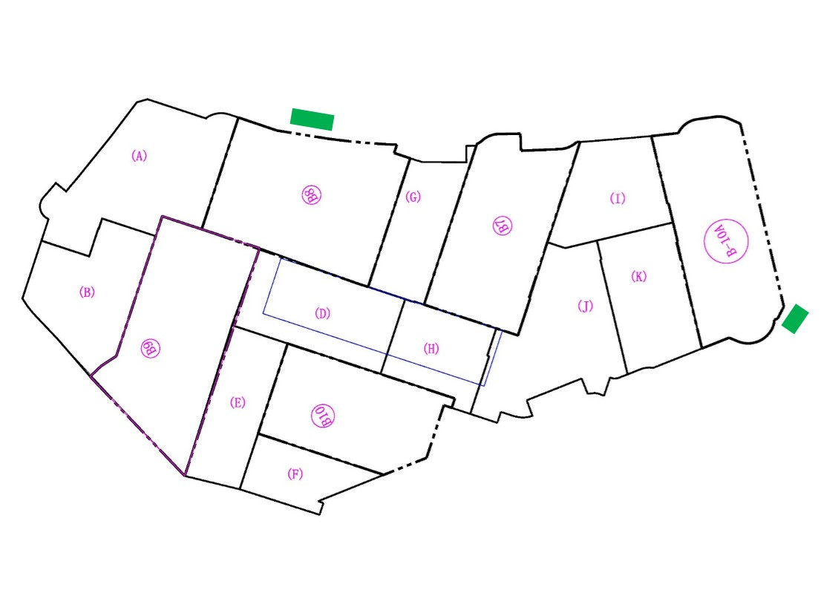
 |  | Construction of Podium 2 - Daily Report
 |  | 2019-12-22

1 | Staff offices area status
 | Parking area for RME staff will be delayed to Jan. 2020 after finishing the shoring located at this area; Half of Employer's reprehensive and consultants mobilization is on site and the other half will be continued after finishing the capping beam at the part in front; The furniture was fabricated with a different colour code that the approved by the project manager , and RME requested to approve a new colour which is currently under review |  |  |  |  |  | 319
2 | Earth works |  |  |  |  |  | 20
 | Excavation and replacement: Excavation of site mobilization has been completed to level +229.00 with total quantity of 14,320 m3 including ramp; Excavation of Building 09 is completed and soil replacement is completed; Excavation of Building 10, 07, 08 and basement (B), (A) is in progress; Saturation of building 10 is in progress and Total Qty. of Excavation= 210,840 m3 (as disposal) Shoring works: The shoring works of Building 10, Basement F, Basement H, Basement J and part of Basement K is completed; The shoring works of 10A06, Building 08, and Basement A are in progress; and Preparation for capping beam at Building 10, 10A06, Basement F, Basement H, Basement J, part of Basement K and Basement A started and pouring the capping beam planned to be finished by end of this week for the whole side |  |  |  |  |  | 6380
3 | Shoring Status
Type | Grand total | Total | Previous | Current | % of completion | Comments
Bentonite Piles | 854 | 626 | 614 | 12 | 73% | Till Saturday
Concrete Piles | 853 | 553 | 553 |  | 65% | Till Saturday
4 | Building 09
 | Foundation and Connecting slab: Pouring in progress
5 | Material on Site
 | •Reinforcement Steel Bars: 397,700kg (Steel for B-09 delivery is on going) •Cement: 140 ton •Bentonite: 210 ton •Solid block: 55,360 blocks (For PC works at P09) •Interlock for mobilization: 650 m2
6 | Tower Crane Status
 | TC01 - PC Footing has been poured - Tower crane base embedded parts installation in progress - Preparation for RC Footing in progress , planned to be poured on 22/12 TC03 - Erection works has been completed and inspected / approved by 3rd party - 3rd party certificate delivered on thursday
7 | Sign board
 | Sign board intallation is completed
8 | Total unskilled labour on Site
 | 20 day shift
9 | Issues |  |  |  | Action
 | 1- Cables relocation at side adjacent to Podium 1 2- Water leakage for the 2nd time at chilled water room # 01 |  |  |  | 1- RME finished the exploration works for the 4 energized Cables since 12/12/2019 as agreed with CITY and TAQA , RME is waiting for TAQA to shift the cables to act accordingly , Noting that shoring activities at this area is on hold 2- Water leakage was noticed on 17/12/2019 for the 2nd time at chilled water room # 01 and CITY investigated the issue and found that the valve is broken •A committee was held at the site on 18/12/2019 in presence of AFCAC/CITY/JLL/RMC/RME: a-RMC will issue a report for the technical clarification for the current situation; b-CITY team will start change of broken valve today and install a blind end for the piping after cutting it •City team has changed the broken vave on thursday without installing a blind end
 |  | Construction of Podium 2 - Daily Report
 |  | 2019-12-22

9 | Progress Photos
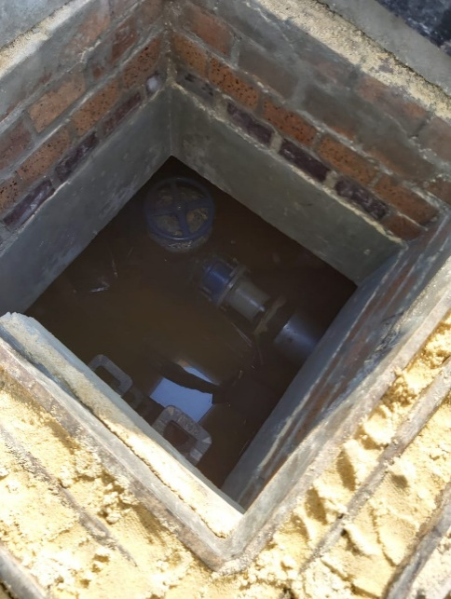 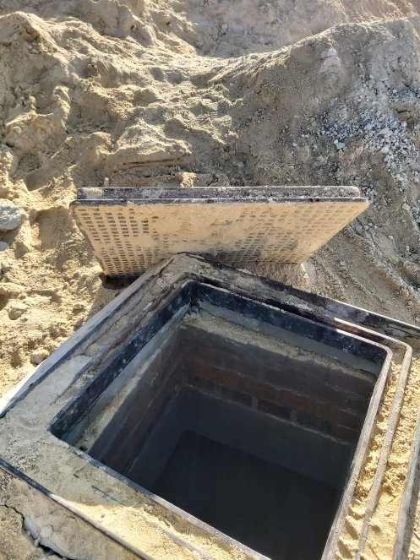 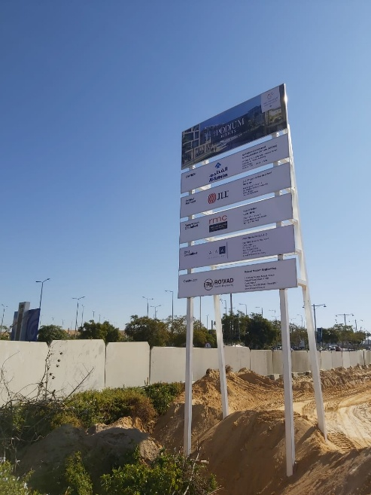 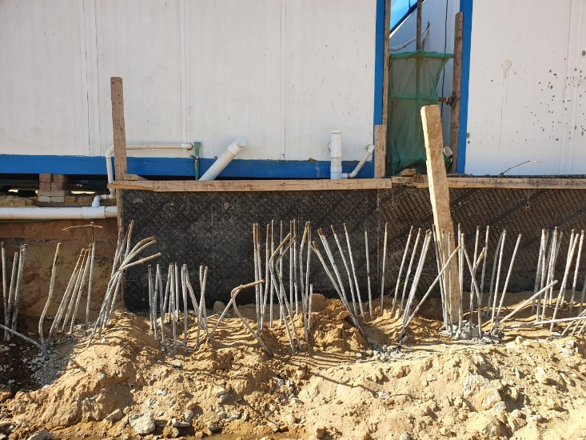 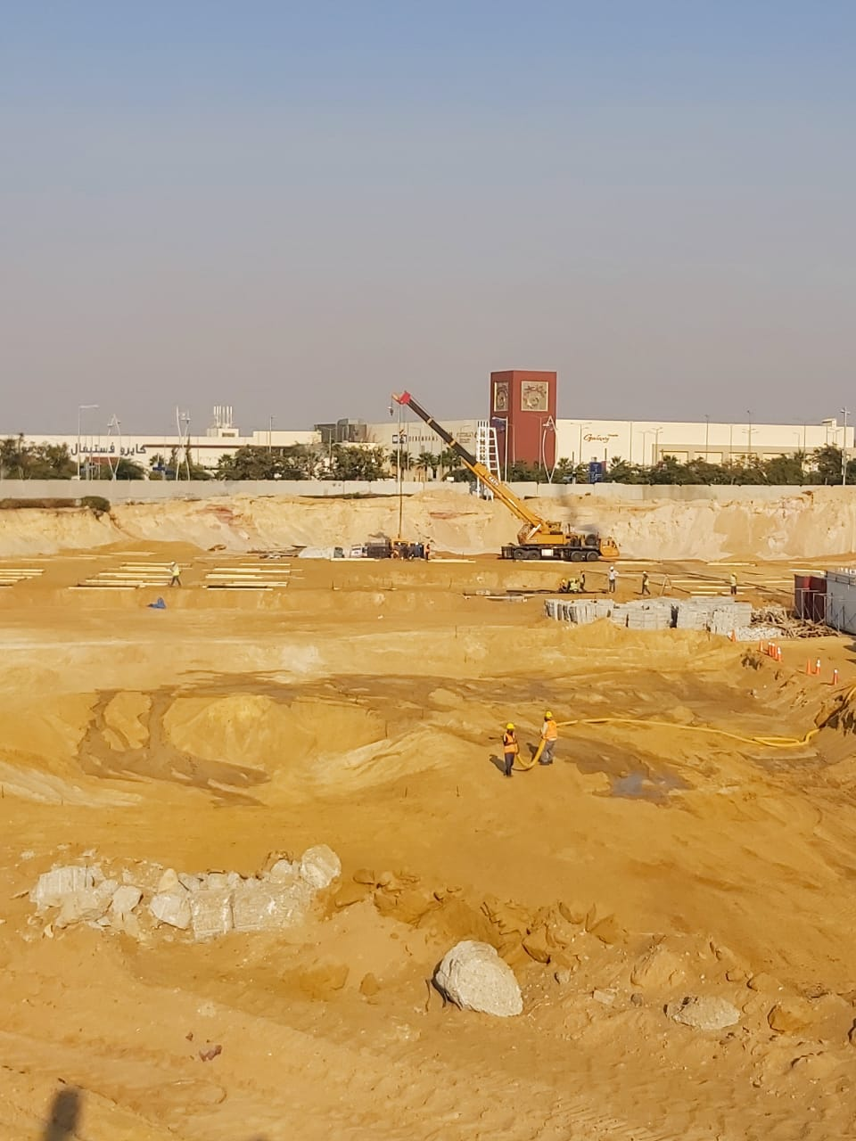 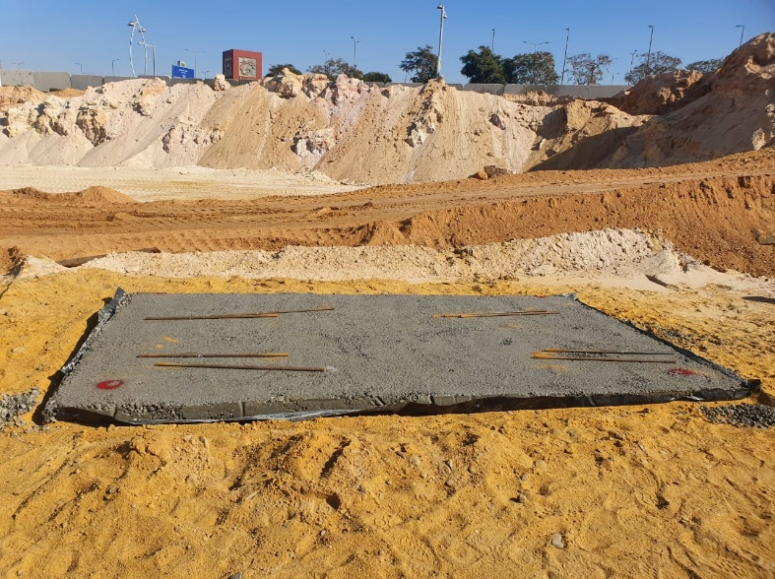

B09 PC Pouring
TC01 RC and embedded parts Prparation
Preparing Piles for Capping

Room #01 after maintenanace works and being let opened
Saturation of Building 10
Sign board Installation

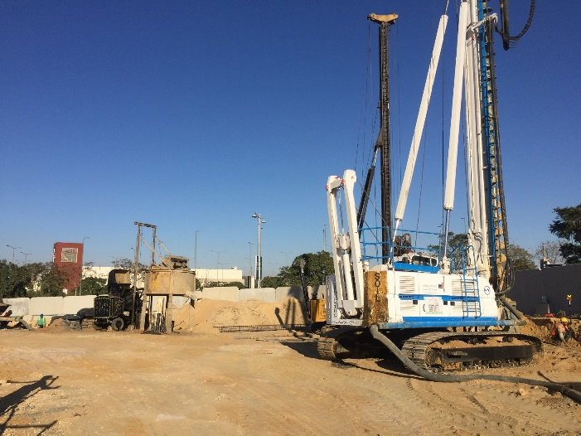 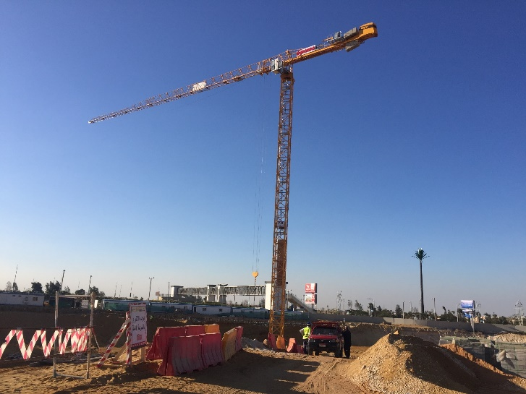 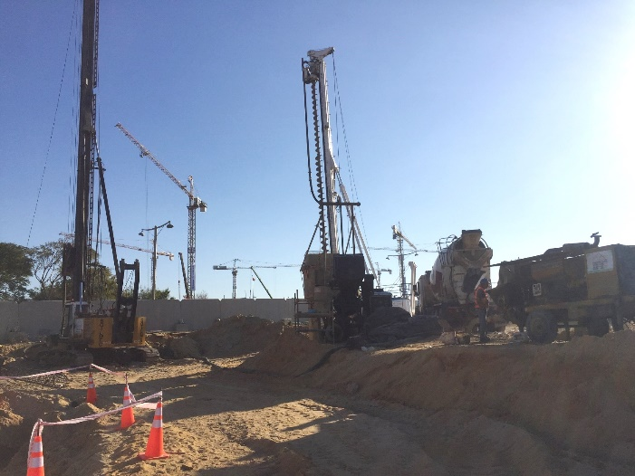

TC Installation
Shoring at P08 and Basement A&B location

